Instructions
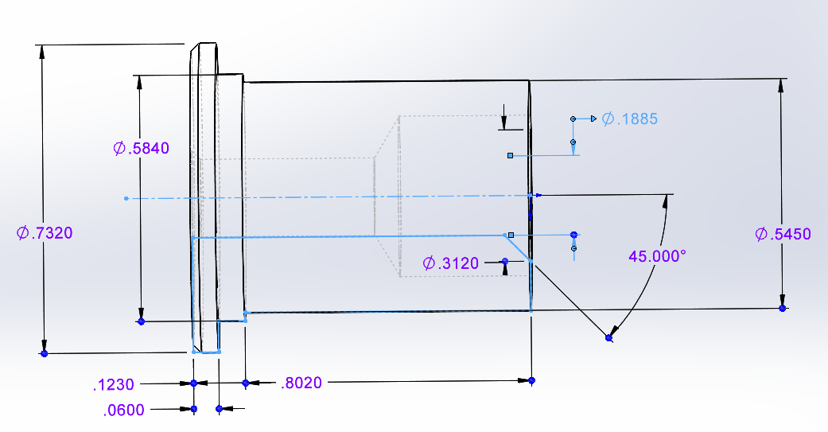
This spreadsheet uses measurements and weights from actual governor components to calculate the regulated governor pressure as the vehicle accelerates
Most factory transmissions are calibrated to shift 1-2 at ~50 psi and 2-3 at ~75 psi. In the "comparison" tab there are horizontal lines that represent these pressures.
The factory '64 tab shows calculations from a measured 64 Imperial governor, it shifted at 54psi/78psi
the Hemi tab shows calculations for a simulated 426 hemi governor. I recreated this and tested it. Function was as shown.
Generally, the spreadsheet is set up for inputs in blue colored cells. There are some on the lower left of sheets for measuring your own governor. A coffee scale in 1/10 gram increments works well. A larger kitchen scale and calipers are helpful for the spring.
The outputs of the governor measurements labeled "copy above" can be copied into the upper blue cells for final governor characteristics.
Visiting the comparison sheet shows the pressure curve of the governor. The factory 64 curve is very similar to almost all non high performance curves with the exception of the RV. In this case RV is the governor from a '73 Motor home.
In "comparison" we set the torque converter slippage to 10%, this is pretty accurate. The user can also adjust for tire height and axle ratio. With these set, the orange curve should represent where shifts happen in a stock, non-high-performance transmission. If you're going to alter or make a new governor it's best to check this out. Columns B, C and D have the speed and the engine rpm. Observe where your shifts happen, if you have a tach, use columns C and D to convert to speed in column B, if you don't, just use column B.
What you'll find is that your car doesn't shift at exactly 50 and 75 psi. Move the horizontal lines in the chart so they cross the orange line at your shift speed (dark blue / green intersection). You can then test weights, springs etc in test1 and test2 to develop a curve you like. The crossing point between the horizontal lines near 50 and 75 psi will be your new shift points.
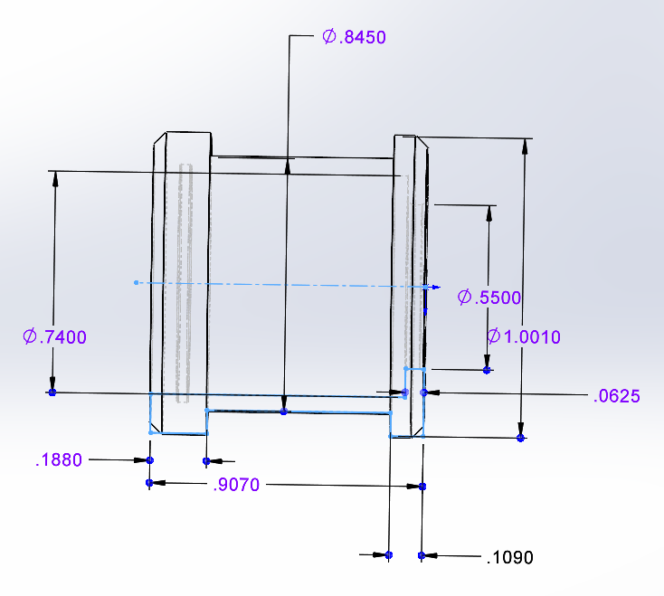
The sketches to the right represent a typical hemi governor. The difference from a regular governor is the .388 drilled hole, .31" deep in the center of the inner weight (siand the .845 diameter relief in the outside of the outer weight. Dimensions shown will get you close. It's suggested that machining be done iteratively with a scale present to get the weights right.

regular gov outer = 1636461
regular gov inner = 1636462
High perf outer, 426 hemi, 300 early letter = 1823726
High perf inner, MaxW, 300J, 300K = 2400705
426 Hemi inner = 2801257

the springs seem mostly similar with very sligh differences and possibly tighter tolerances. .700" OD Mil spec springs ~1.12" long are available from McMaster and Lee spring for other options. They tend to be lighter and will need a heavier inner weight.

comparison
speed | wot 1st gear | wot 2nd gear | test 1 | fact | test 2 | hemi | rv | your axle ratio | 3.23 | 87.21
2 | 216.74124757 |  | 0.017262287507 | 0.16029466065 | 0.0008150331003 | 0.10008596148 | 0.13826708778 | reference | 3.23 | 87.21
4 | 433.48249515 |  | 0.069049150027 | 0.64117864259 | 0.0032601324012 | 0.40034384593 | 0.55306835113 | your tire height | 27
6 | 650.22374272 |  | 0.15536058756 | 1.4426519458 | 0.0073352979026 | 0.90077365334 | 1.24440379 | reference | 27
8 | 866.9649903 |  | 0.27619660011 | 2.5647145704 | 0.013040529605 | 1.6013753837 | 2.2122734045
10 | 1083.7062379 |  | 0.43155718767 | 4.0073665162 | 0.020375827507 | 2.5021490371 | 3.4566771946 | converter slip | 10.00%
12 | 1300.4474854 |  | 0.62144235024 | 5.7706077833 | 0.029341191611 | 3.6030946134 | 4.9776151602
14 | 1517.188733 |  | 0.84585208783 | 7.8544383718 | 0.039936621914 | 4.9042121126 | 6.7750873014
16 | 1733.9299806 |  | 1.1047864004 | 10.258858282 | 0.052162118419 | 6.4055015348 | 8.8490936181
18 | 1950.6712282 |  | 1.398245288 | 12.983867513 | 0.066017681124 | 8.10696288 | 11.19963411
20 | 2167.4124757 |  | 1.7262287507 | 16.029466065 | 0.081503310029 | 10.008596148 | 13.826708778
22 | 2384.1537233 |  | 2.0887367883 | 19.395653938 | 0.098619005136 | 12.110401339 | 16.730317622
24 | 2600.8949709 |  | 2.485769401 | 23.082431133 | 0.11736476644 | 14.412378453 | 19.910460641
26 | 2817.6362185 |  | 2.9173265886 | 27.08979765 | 0.13774059395 | 16.91452749 | 23.367137835
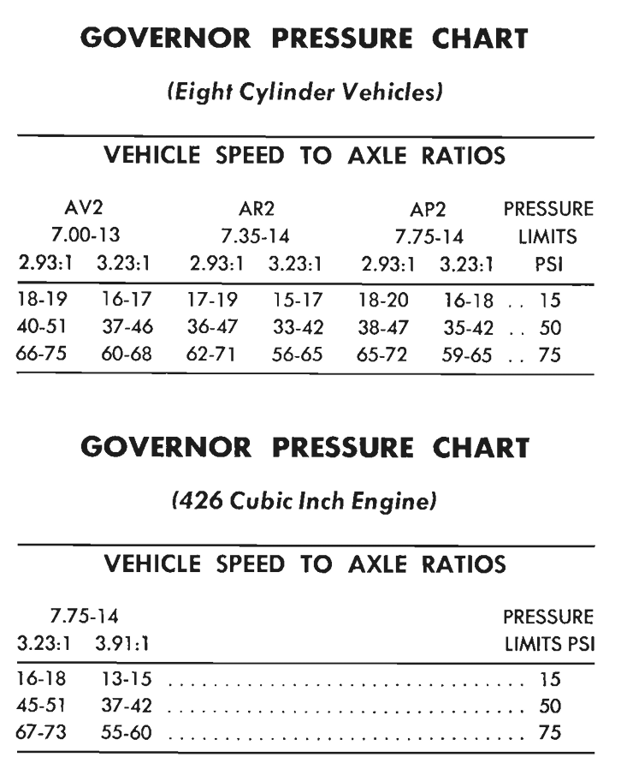
28 | 3034.377466 |  | 3.3834083513 | 31.417753487 | 0.15974648766 | 19.61684845 | 27.100349205
Speed vs gov pressure
30 | 3251.1187136 |  | 3.884014689 | 36.066298646 | 0.18338244757 | 22.519341333 | 31.110094751
32 | 3467.8599612 |  | 4.4191456017 | 41.035433126 | 0.20864847368 | 25.622006139 | 35.396374472
34 | 3684.6012088 |  | 4.9888010894 | 46.325156927 | 0.23554456598 | 28.924842868 | 38.649204427
36 | 3901.3424563 |  | 5.5929811522 | 48.840361709 | 0.2640707245 | 32.42785152 | 40.271058356
38 | 4118.0837039 |  | 6.2316857899 | 50.196284119 | 0.29422694921 | 36.131032095 | 41.985589653
40 | 4334.8249515 | 2565.5086448 | 6.9049150027 | 51.625499632 | 0.32601324012 | 40.034384593 | 43.792798317
42 | 4551.5661991 | 2693.784077 | 7.6126687905 | 53.128008249 | 0.35942959723 | 44.137909014 | 45.692684348
44 | 4768.3074466 | 2822.0595092 | 8.3549471533 | 54.703809969 | 0.39447602054 | 48.441605357 | 47.685247747
46 | 4985.0486942 | 2950.3349415 | 9.1317500911 | 56.352904792 | 0.43115251006 | 50.448927862 | 49.770488513
48 | 5201.7899418 | 3078.6103737 | 9.9430776039 | 58.075292719 | 0.46945906577 | 51.646765854 | 51.948406646
50 | 5418.5311894 | 3206.885806 | 10.788929692 | 59.870973749 | 0.50939568768 | 52.895575675 | 54.219002147
52 | 5635.2724369 | 3335.1612382 | 11.669306355 | 61.739947882 | 0.5509623758 | 54.195357325 | 56.582275015
54 | 5852.0136845 | 3463.4366704 | 12.584207592 | 63.682215118 | 0.59415913011 | 55.546110804 | 59.03822525
56 | 6068.7549321 | 3591.7121027 | 13.533633405 | 65.697775458 | 0.63898595063 | 56.947836113 | 61.586852853
58 | 6285.4961797 | 3719.9875349 | 14.517583793 | 67.786628901 | 0.68544283735 | 58.400533252 | 64.228157824
60 | 6502.2374272 | 3848.2629671 | 15.536058756 | 69.948775447 | 0.73352979026 | 59.90420222 | 66.962140161
62 | 6718.9786748 | 3976.5383994 | 16.589058294 | 72.184215096 | 0.78324680938 | 61.458843017 | 69.788799866
64 | 6935.7199224 | 4104.8138316 | 17.676582407 | 74.492947849 | 0.8345938947 | 63.064455644 | 72.708136939
66 | 7152.46117 | 4233.0892639 | 18.798631095 | 76.874973704 | 0.88757104622 | 64.7210401 | 75.720151379
68 | 7369.2024175 | 4361.3646961 | 19.955204358 | 79.330292664 | 0.94217826394 | 66.428596386 | 78.824843186
70 | 7585.9436651 | 4489.6401283 | 21.146302196 | 81.858904726 | 0.99841554786 | 68.187124501 | 82.02221236
72 |  | 4617.9155606 | 22.371924609 | 84.460809892 | 1.056282898 | 69.996624445 | 85.312258902
74 |  | 4746.1909928 | 23.632071597 | 87.13600816 | 1.1157803143 | 71.857096219 | 88.694982812
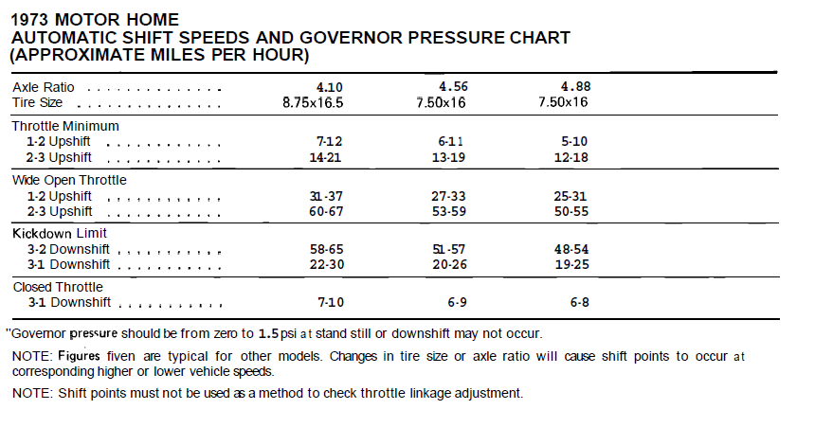
76 |  | 4874.4664251 | 24.92674316 | 89.884499533 | 1.1769077968 | 73.768539822 | 92.170384088
78 |  | 5002.7418573 | 26.255939298 | 92.706284008 | 1.2396653455 | 75.730955255 | 95.738462733
80 |  | 5131.0172895 | 27.619660011 | 95.601361587 | 1.3040529605 | 77.744342517 | 99.399218744
82 |  | 5259.2927218 | 29.017905299 | 98.569732269 | 1.3700706416 | 79.808701608 | 103.15265212
84 |  | 5387.568154 | 30.450675162 | 101.61139605 | 1.4377183889 | 81.924032529 | 106.99876287
86 |  | 5515.8435862 | 31.9179696 | 104.72635294 | 1.5069962024 | 84.09033528 | 110.93755098
88 |  | 5644.1190185 | 33.419788613 | 107.91460293 | 1.5779040822 | 86.307609859 | 114.96901646
90 |  | 5772.3944507 | 34.956132201 | 111.17614603 | 1.6504420281 | 88.575856269 | 119.09315931
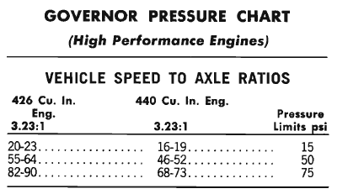
92 |  | 5900.669883 | 36.527000364 | 114.51098223 | 1.7246100402 | 90.895074507 | 123.30997953
94 |  | 6028.9453152 | 38.132393102 | 117.91911153 | 1.8004081185 | 93.265264575 | 127.61947711
96 |  | 6157.2207474 | 39.772310416 | 121.40053393 | 1.8778362631 | 95.686426473 | 132.02165206
98 |  | 6285.4961797 | 41.446752304 | 124.95524944 | 1.9568944738 | 98.158560199 | 136.51650438
100 |  | 6413.7716119 | 43.155718767 | 128.58325805 | 2.0375827507 | 100.68166576 | 141.10403406
102 |  | 6542.0470441 | 44.899209805 | 132.28455977 | #REF! | 103.25574314 | 145.78424112
